Sheet1
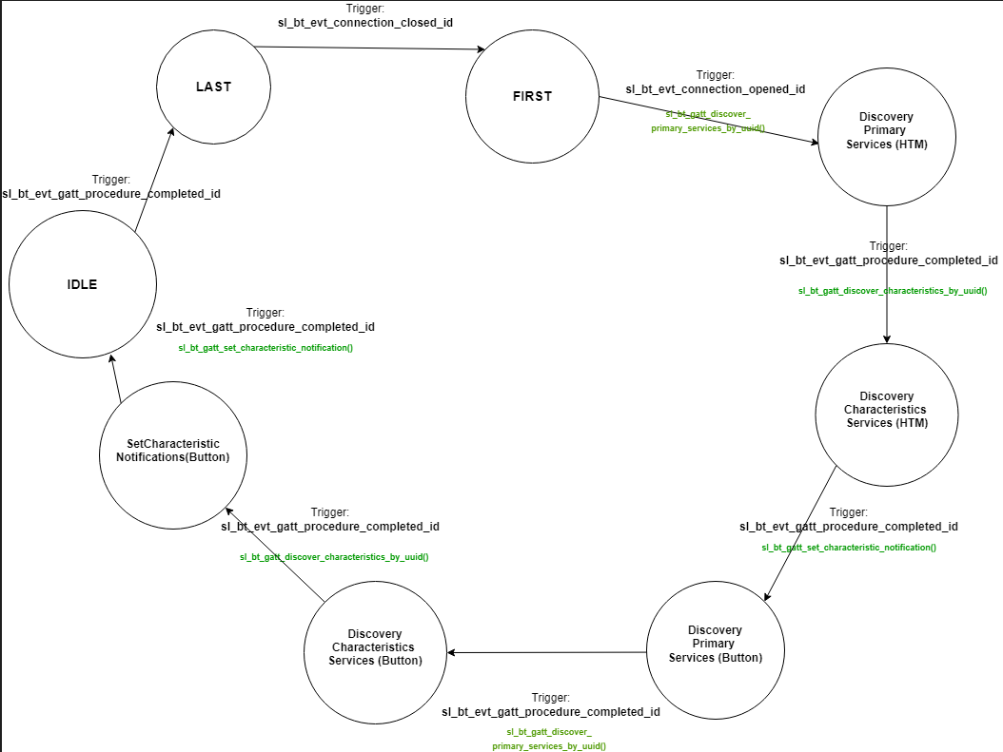
 | Client Command Table for A7

 | Use this table to help you design your program. Add rows as needed. | Use this column to describe when and what your LCD display changes to for rows like DISPLAY_ROW_CONNECTION | Use this column to denote if BT stack events cause your state machine to advance, you can put an X in the cell to note this. Drawing a bubble diagram of your state machine might also be a good idea 👍. | Commands that may be useful: sl_bt_gatt_discover_primary_services_by_uuid() sl_bt_gatt_discover_characteristics_by_uuid()
 | Event | LCD Display State | Advances State Machine | Commands called in response to event | Notes
Events Common to Slaves/Clients
 | sl_bt_evt_system_boot_id |  |  | This event is generated on stack boot up | You can also document in column D values that need to be saved in response to receiving BT stack events. Initializes the LCD by enabling the DISP_ENABLE pin in the mux. Getting into this event means that the device has started and the radio is ready.
 |  |  |  | sl_bt_scanner_set_mode() | Set phy to 1M and mode to passive scanning. Because of the passive scanning mode, the device would not transmit any packets, but only listens to the advertising packets. Binary 1 for 1M PHY, and Binary 0 for Passive Scanning.
 |  |  |  | sl_bt_scanner_set_timing() | Set phy to 1M, scan interval to 50ms and scan window to 25ms. How often to scan is the scan interval, the interval when the device starts the last scan to the start of the next scan. The time distance between the rising edges. Default value is 10ms. All three channels will be used by scanner (client). Scan window has to be less than or equal to the scan inteval. Value conversions requiured in code.
 |  |  |  | sl_bt_connection_set_default_parameters() | See the assignment document for these values. Default Bluetooth connection parameters. To change these parameters, use the function sl_bt_connection_set_parameters(). Values to pass into this function is the min_interval, max_interval, latency, timeout, min_ce_length, and max_ce_length.
 |  |  |  | sl_bt_scanner_start() | You should start and stop scanning just like you did with advertising for a Server. Initiates the GAP discovery procedure. The sl_bt_scanner_stop() is used to stop the discovery. The input parameters are the scanning_phy, and the discover_mode which sets the discovery mode for the device.

 | sl_bt_evt_connection_opened_id |  | X | sl_bt_gatt_discover_primary_services_by_uuid() | After this event is triggered, we are now able to explore the primary services provided by the server. Examples of this could be the HTM temperature, or the humidity.

 | sl_bt_evt_connection_closed_id |  | X | sl_bt_scanner_start() | After this event is triggered, we want to close the connection between the server and the client. The advertising side (client) side would now start advertising again by calling the sl_bt_scanner_start() function.

 | sl_bt_evt_system_soft_timer_id |  |  | This event indicates that a soft timer has expired. displayUpdate(), gpioSetDisplayExtcomin(display->last_extcomin_state_high) in order to set the EXTCOMIN input to the LCD | This event allows the LCD display to be updated, from the way how it was setup in the displayInit() function in lcd.c. The EXTCOMIN pin is set to 1 through the gpioSetDisplayExtComin function call
Events only for Masters/Clients
 | sl_bt_evt_scanner_scan_report_id |  |  | Received for advertising or scan response packets generated by: sl_bt_scanner_start(). Is the bd_addr, packet_type and address_type what we expect for our Server? If yes: sl_bt_scanner_stop() sl_bt_connection_open() | Identifier of the scan_report event which reports any scan response packet that's received while being in scanning mode. In this event, we would check if the receiving packet's address matches with what the server has? This is where the address of the server is compared to ensure we are reaching the right server. If we receive what we expect from the server, we can now stop scanning, and proceed to open a connection

 | sl_bt_evt_gatt_procedure_completed_id | displayPrintf(DISPLAY_ROW_9, "%s", "Button Pressed");displayPrintf(DISPLAY_ROW_9, "%s", "Button Released"); | X | We get this event when it’s ok to call the next GATT command. It’s a good idea to check for returned error codes. This would be a great event to use to sequence your new state machine. sl_bt_gatt_discover_characteristics_by_uuid() sl_bt_gatt_set_characteristic_notification(). APIs to call A9: sl_bt_sm_increase_security() | Do not build your state machine into your handle_ble_event() function! Instead build a new state machine for A7. Indication of a completed GATT event. This could also yield in reponse to a failure case. According to sl_bt_api.h, "the application must wait for this event before issuing another GATT command", but there are exceptions. At this stage, we have a match on the service id and now proceed to discover the characteristics the server has to offer. A9: In this event, it will either trigger after a call to sl_bt_gatt_set_characteristic_notification(). On the error case, it will initiate the bonding process to increase security. In the non-error case, it will appropriately show the status of the button press and release.

 | sl_bt_evt_gatt_service_id |  |  | A GATT service in the remote GATT database was discovered. Store the GATT Service Handle. | "This event is generated after issuing either the sl_bt_gatt_discover_primary_services" or "sl_bt_gatt_discover_primary_services_by_uuid" command. - sl_bt_api.h. This allows the client to see the services offered by the server.

 | sl_bt_evt_gatt_characteristic_id |  |  | A GATT characteristic in the remote GATT database was discovered. Store the GATT Service Handle for Health Temperature Measurment Characteristic | "This event is generated after issuing either the sl_bt_gatt_discover_characteristics or sl_bt_gatt_discover_characteristics_by_uuid command." -sl_bt_api.h. This allows the client to see the characterisitics within the service offered by the server.

 | sl_bt_evt_gatt_characteristic_value_id |  |  | If an indication or notification has been enabled for a characteristic, this event is triggered whenever an indication or notification is received from the remote GATT server. Is the characteristic handle and att_opcode we expect? If yes: sl_bt_gatt_send_characteristic_confirmation() | This event indicates that the value of one or more characteristics from the remote GATT server was received. Mostly concerned with sl_bt_gatt_read_characteristic_value_by_uuid.
 | sl_bt_evt_system_external_signal_id |  |  | sl_bt_sm_passkey_confirm() sl_bt_gatt_set_characteristic_notification() sl_bt_gatt_read_characteristic_value() | The event indicates either the PB0 or PB1 was pressed. Further processing of the button presses are done in this event such as setting the characteristic notification and reading the characteristic value. Check for PB0 status while PB1 is being pressed in order to create the "sequence" for turning indications on and off.
 | sl_bt_evt_sm_confirm_passkey_id: | displayPrintf(DISPLAY_ROW_PASSKEY, "Passkey : %d", evt->data.evt_sm_confirm_passkey.passkey); displayPrintf(DISPLAY_ROW_ACTION, "%s", "Confirm with PB0"); |  | N/A | Show passkey on LCD and ask for confirmation.
 | case sl_bt_evt_sm_bonding_failed_id: |  |  | N/A | Bonding failed.
 | case sl_bt_evt_sm_bonded_id: | displayPrintf(DISPLAY_ROW_CONNECTION, "%s ", "Bonded"); |  | N/A | Bonding successful.
 | case sl_bt_evt_connection_parameters_id: |  |  | N/A | N/A. Debugs

